Sheet1
2008 Toyota Rav4 Sport 2.4
BODY/TRUNK / LIFTGATE ASSEMBLY
Your Vehicle: 2008 Toyota Truck RAV4 2WD L4-2.4L (2AZ-FE)

 | Vehicle » Body and Frame » Doors, Hood and Trunk » Trunk / Liftgate » Testing and Inspection

 | Testing and Inspection

ENGINE HOOD / DOOR: BACK DOOR: ON-VEHICLE INSPECTION

ON-VEHICLE INSPECTION

1. INSPECT BACK DOOR

(a) | Check that the clearance measurements of areas A to F are within the standard range.
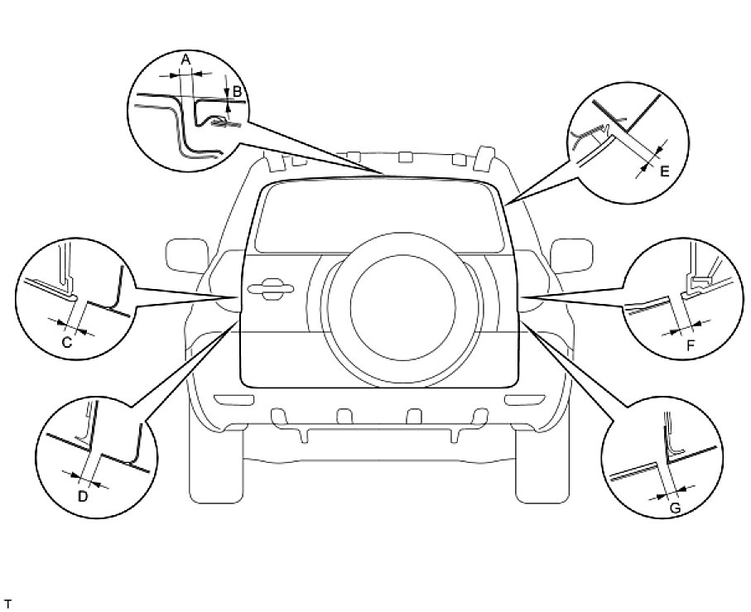

Standard measurement:

